Template
 | Brotherton, Duke | RyLar Baseball

 | 2022-07-29
 |  | Postgame Pitching Report
 | v Sweets

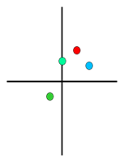
 | Pitcher's View | Pitch | Max Velo | Velo | Vert Break | Horz Break | Usage | Strike % | Hard Hit % | Chase % | Whiff %
Overall |  | FB | 91.5 | 89.0 | 12.8 | 8.1 | 65.8% | 84.0% | 12.5% | 51.9% | 48.1%

 |  | CB | 79.7 | 77.5 | -6.1 | -7.0 | 23.7% | 72.2% | 0.0% | 63.6% | 33.3%

 |  | CH | 86.5 | 84.4 | 6.5 | 14.8 | 2.6% | 50.0% | - | 0.0% | -

 |  | SL | 86.9 | 86.9 | 8.4 | -0.2 | 1.3% | 0.0% | - | 0.0% | -

 |  | OVR | - | - | - | - | - | 77.6% | 9.1% | 52.5% | 44.7%

 | Overall Statline: |  | 10 K, 1 R, 3 H, 0 BB, 0 HBP

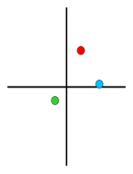
 | Pitcher's View | Pitch | Max Velo | Velo | Vert Break | Horz Break | Usage | Strike % | Hard Hit % | Chase % | Whiff %
First Inning Pitched |  | FB | 90.4 | 89.5 | 14.2 | 7.2 | 9.2% | 71.4% | 0.0% | 20.0% | 0.0%

 |  | CB | 79.7 | 79.1 | -5.0 | -6.0 | 3.9% | 100.0% | - | 100.0% | 66.7%

 |  | CH | 82.2 | 82.2 | 1.1 | 16.8 | 1.3% | 0.0% | - | 0.0% | -

 |  | OVR | - | - | - | - | - | 72.7% | 0.0% | 44.4% | 40.0%

 | First Inning Statline: |  | 2 K, 0 R, 0 H, 0 BB, 0 HBP

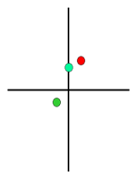
 | Pitcher's View | Pitch | Max Velo | Velo | Vert Break | Horz Break | Usage | Strike % | Hard Hit % | Chase % | Whiff %
Second Inning Pitched |  | FB | 89.1 | 88.5 | 10.8 | 6.0 | 5.3% | 100.0% | 0.0% | 50.0% | 33.3%

 |  | CB | 79.0 | 78.4 | -4.4 | -6.0 | 3.9% | 66.7% | 0.0% | 50.0% | 0.0%

 |  | SL | 86.9 | 86.9 | 8.4 | -0.2 | 1.3% | 0.0% | - | 0.0% | -

 |  | OVR | - | - | - | - | - | 77.8% | 0.0% | 40.0% | 40.0%

 | Second Inning Statline: |  | 1 K, 0 R, 0 H, 0 BB, 0 HBP

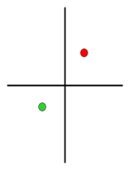
 | Pitcher's View | Pitch | Max Velo | Velo | Vert Break | Horz Break | Usage | Strike % | Hard Hit % | Chase % | Whiff %
Third Inning Pitched |  | FB | 90.8 | 89.0 | 12.7 | 9.7 | 10.5% | 100.0% | 0.0% | 0.0% | 60.0%

 |  | CB | 74.9 | 73.9 | -8.4 | -12.1 | 2.6% | 50.0% | - | - | -

 |  | OVR | - | - | - | - | - | 90.9% | 0.0% | 0.0% | 60.0%

 | Third Inning Statline: |  | 2 K, 0 R, 1 H, 0 BB, 0 HBP

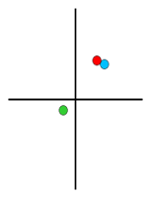
 | Pitcher's View | Pitch | Max Velo | Velo | Vert Break | Horz Break | Usage | Strike % | Hard Hit % | Chase % | Whiff %
Fourth Inning Pitched |  | FB | 90.8 | 89.2 | 13.0 | 9.3 | 9.2% | 85.7% | 0.0% | 50.0% | 25.0%

 |  | CB | 79.3 | 78.2 | -3.4 | -5.6 | 3.9% | 66.7% | - | 50.0% | 100.0%

 |  | CH | 86.5 | 86.5 | 12.0 | 12.7 | 1.3% | 100.0% | - | - | -

 |  | OVR | - | - | - | - | - | 75.0% | 0.0% | 50.0% | 40.0%

 | Fourth Inning Statline: |  | 1 K, 0 R, 1 H, 0 BB, 0 HBP

 | Brotherton, Duke | RyLar Baseball

 | 2022-07-29
 |  | Postgame Pitching Report
 | v Sweets

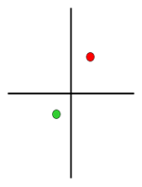
 | Pitcher's View | Pitch | Max Velo | Velo | Vert Break | Horz Break | Usage | Strike % | Hard Hit % | Chase % | Whiff %
Fifth Inning Pitched |  | FB | 91.5 | 89.3 | 13.2 | 9.2 | 18.4% | 64.3% | 100.0% | 44.4% | 60.0%

 |  | CB | 79.5 | 77.3 | -7.4 | -7.3 | 6.6% | 80.0% | 0.0% | 66.7% | 0.0%

 |  | OVR | - | - | - | - | - | 68.4% | 33.3% | 50.0% | 37.5%

 | Fifth Inning Statline: |  | 1 K, 1 R, 1 H, 0 BB, 0 HBP

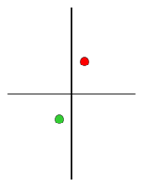
 | Pitcher's View | Pitch | Max Velo | Velo | Vert Break | Horz Break | Usage | Strike % | Hard Hit % | Chase % | Whiff %
Sixth Inning Pitched |  | FB | 90.3 | 88.1 | 11.7 | 5.9 | 13.2% | 100.0% | 0.0% | 87.5% | 62.5%

 |  | CB | 77.6 | 77.3 | -8.9 | -6.2 | 2.6% | 50.0% | - | 0.0% | 0.0%

 |  | OVR | - | - | - | - | - | 85.7% | 0.0% | 77.8% | 50.0%

 | Sixth Inning Statline: |  | 3 K, 0 R, 0 H, 0 BB, 0 HBP

 | Pitcher's View | Pitch | Max Velo | Velo | Vert Break | Horz Break | Usage | Strike % | Hard Hit % | Chase % | Whiff %
Seventh Inning Pitched

 |  | OVR | - | - | - | - | -

 | Seventh Inning Statline:

 | Pitcher's View | Pitch | Max Velo | Velo | Vert Break | Horz Break | Usage | Strike % | Hard Hit % | Chase % | Whiff %
Eighth Inning Pitched

 |  | OVR | - | - | - | - | -

 | Eighth Inning Statline:

 | Pitcher's View | Pitch | Max Velo | Velo | Vert Break | Horz Break | Usage | Strike % | Hard Hit % | Chase % | Whiff %
Ninth Inning Pitched

 |  | OVR | - | - | - | - | -

 | Ninth Inning Statline:

